SQL Data
 | Rental Duration

SELECT MIN(rental_duration),
MAX(rental_duration),
AVG(rental_duration),
COUNT(rental_duration),
COUNT(*) AS count_rows
FROM film;

 | Rental Rate

SELECT MIN(rental_rate) AS min_rent,
MAX(rental_rate) AS max_rent,
AVG(rental_rate) AS avg_rent,
COUNT(rental_rate) AS count_rent_values,
COUNT(*) AS count_rows
FROM film;

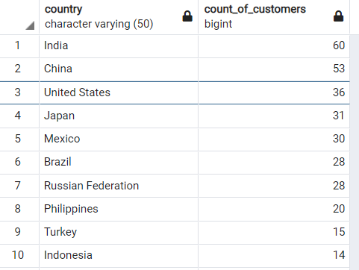
 | Top 10 Countries

SELECT D.country,
COUNT (customer_id) AS count_of_customers
FROM customer A
INNER JOIN address B ON A.address_id = B.address_id
INNER JOIN city C ON B.city_id = C.city_id
INNER JOIN country D ON C.country_ID = D.country_ID
GROUP BY country
ORDER BY count_of_customers desc

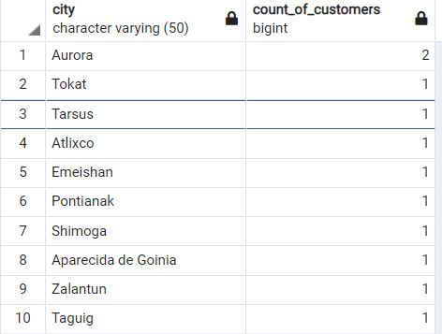
 | Top 10 Cities

1. SELECT C.City,
 | COUNT (customer_id) AS count_of_customers
FROM customer A
INNER JOIN address B ON A.address_id = B.address_id
INNER JOIN city C ON B.city_id = C.city_id
INNER JOIN country D ON C.country_ID = D.country_ID
WHERE D.country IN ('India', 'China', 'United States', 'Japan',
'Mexico', 'Brazil', 'Russian Federation', 'Philippines', 'Turkey', 'Indonesia')
GROUP BY city
ORDER BY count_of_customers desc
LIMIT 10;

 | Top 5 Customers Chart

SELECT A.customer_id, B.first_name, B.last_name, E.country, D.city,
SUM (A.amount) as "Total Amount Paid"
FROM payment A
INNER JOIN customer B ON A.customer_id = B.customer_id
INNER JOIN address C ON B.address_id = C.address_id
INNER JOIN city D ON C.city_id = D.city_id
INNER JOIN country E ON D.country_ID = E.country_ID
WHERE D.city IN ('Aurora','Tokat', 'Tarsus', 'Atlixco', 'Emeishan', 'Pontianak',
'Shimoga', 'Aparecida de Goinia', 'Zalantun', 'Taguig')
GROUP BY A.customer_id, B.first_name, B.last_name, E.country, D.city, A.amount
ORDER BY "Total Amount Paid" DESC
LIMIT 5;

